G-1
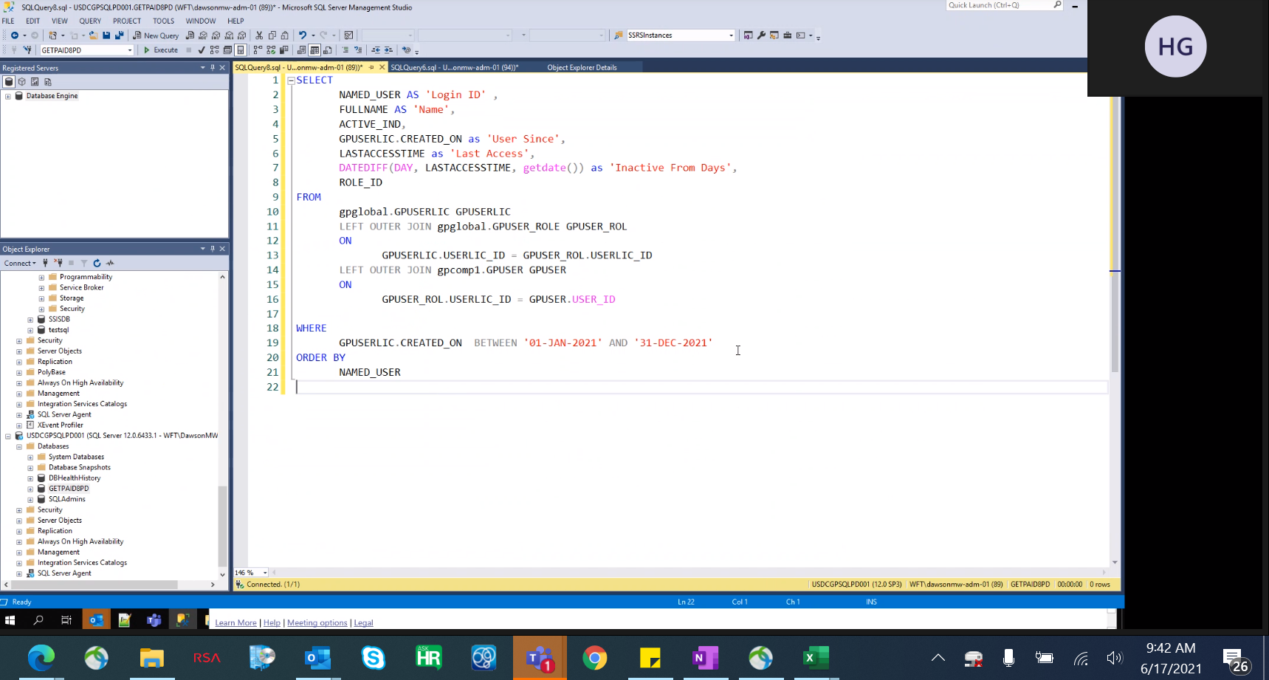

SELECT
NAMED_USER AS 'Login ID' ,
FULLNAME AS 'Name',
ACTIVE_IND,
GPUSERLIC.CREATED_ON as 'User Since',
LASTACCESSTIME as 'Last Access',
DATEDIFF(DAY, LASTACCESSTIME, getdate()) as 'Inactive From Days',
ROLE_ID
FROM
gpglobal.GPUSERLIC GPUSERLIC
LEFT OUTER JOIN gpglobal.GPUSER_ROLE GPUSER_ROL
ON
GPUSERLIC.USERLIC_ID = GPUSER_ROL.USERLIC_ID
LEFT OUTER JOIN gpcomp1.GPUSER GPUSER
ON
GPUSER_ROL.USERLIC_ID = GPUSER.USER_ID

WHERE
GPUSERLIC.CREATED_ON BETWEEN '01-JAN-2020' AND '31-DEC-2020'
ORDER BY
NAMED_USER

G-2
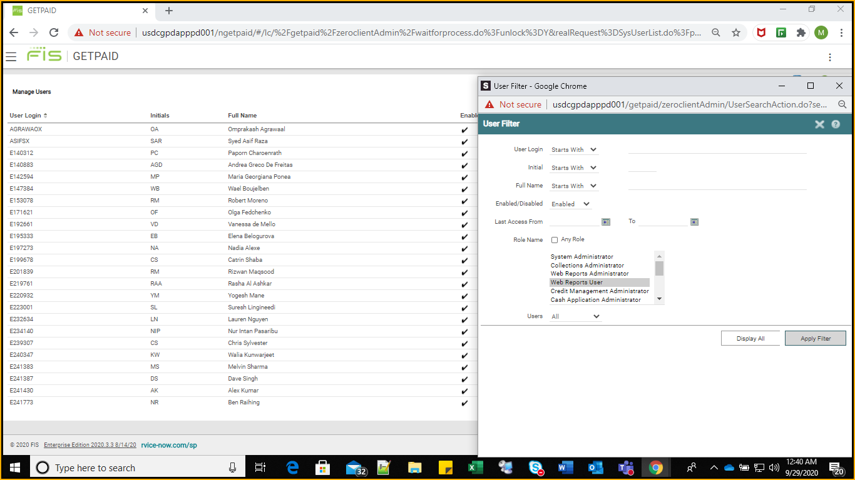
System Administrators
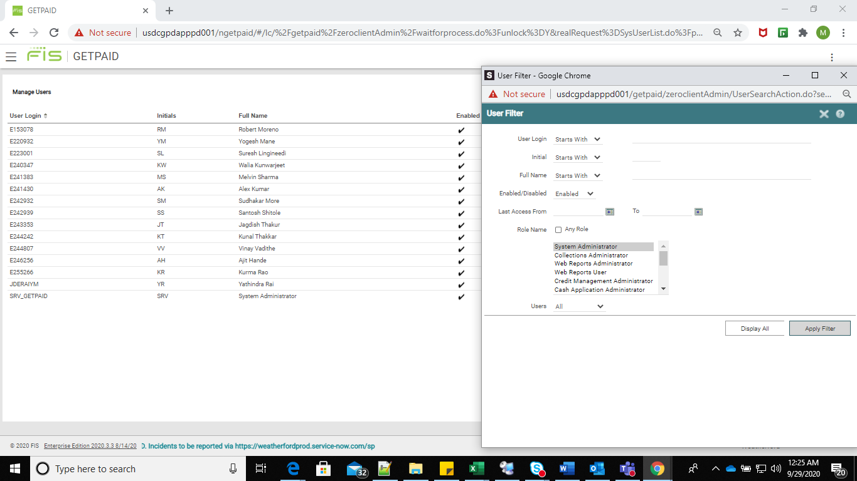

Administrators
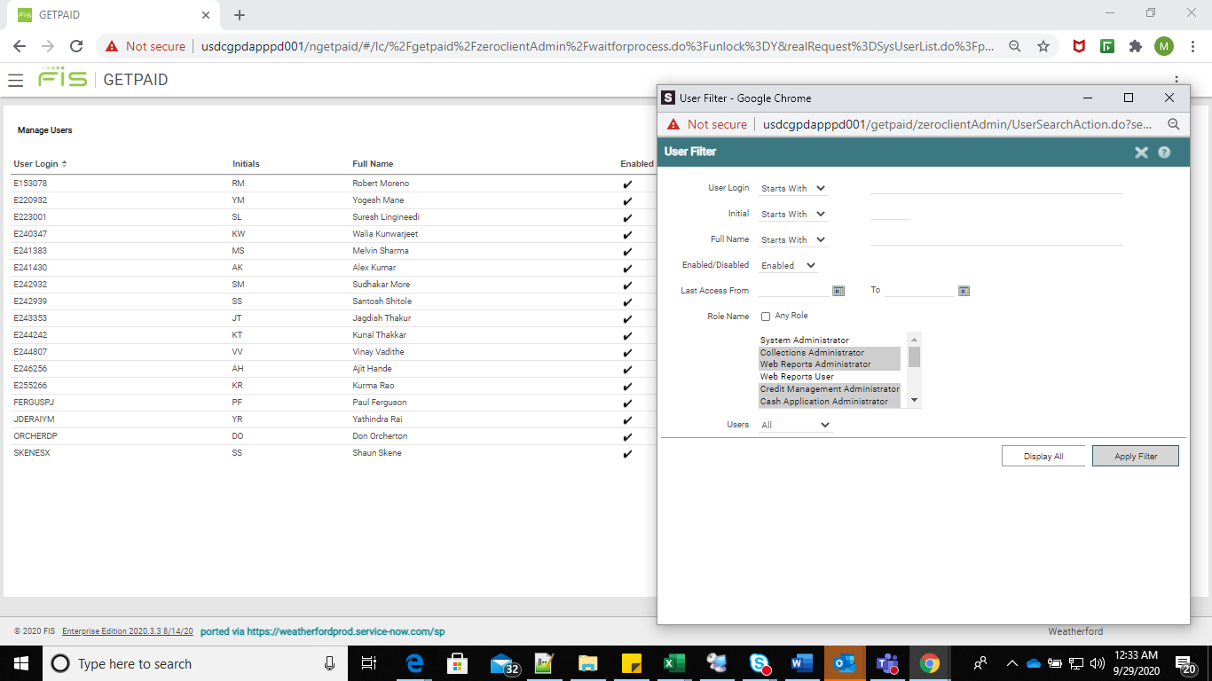

Managers

G-3.1
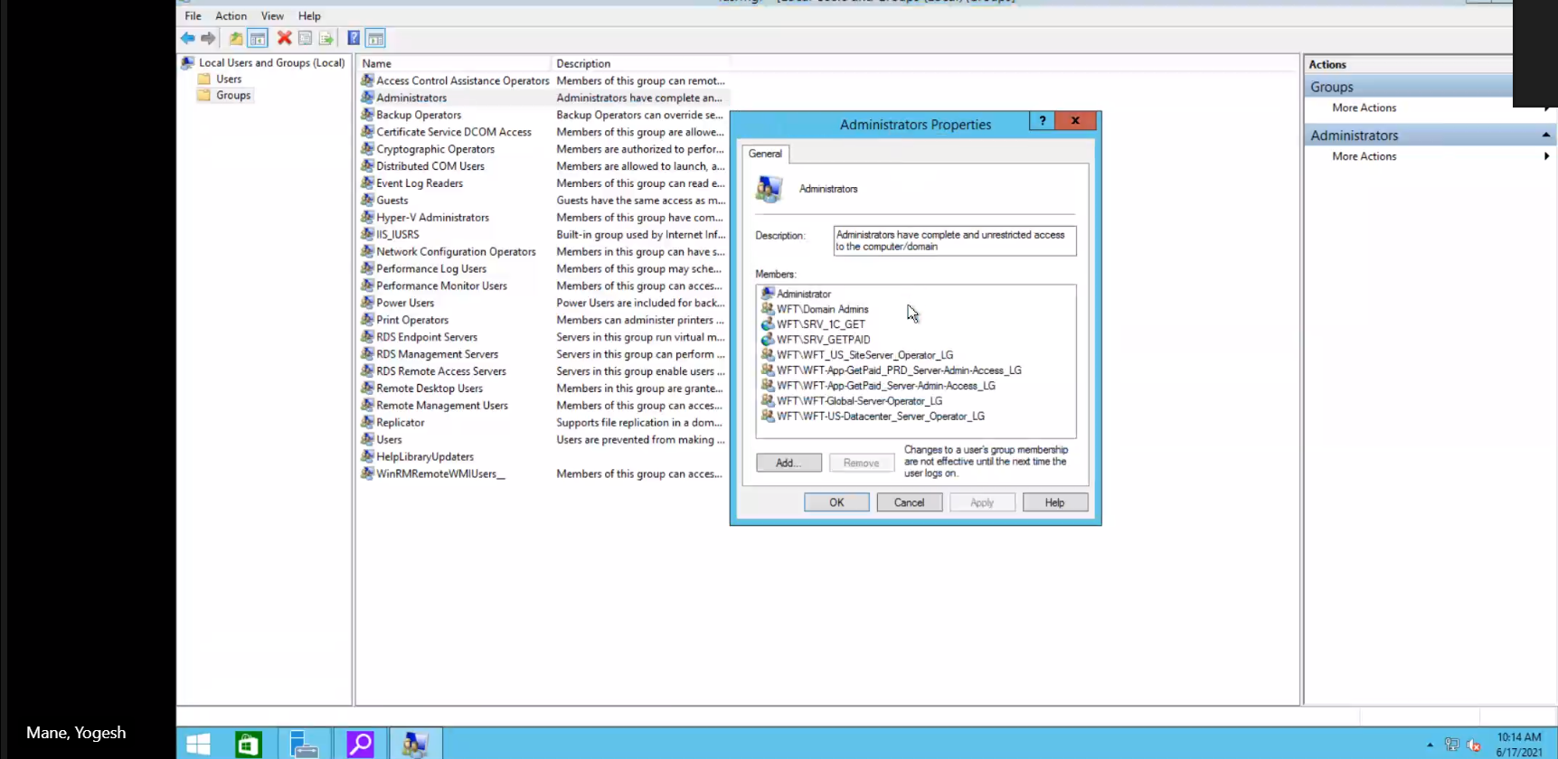
Members of Administrators Group for USDCGPDAPPD001 - App Server

G-6
GetPaid Change Management Testing (Production Server: USDCGPDAPPPD001)

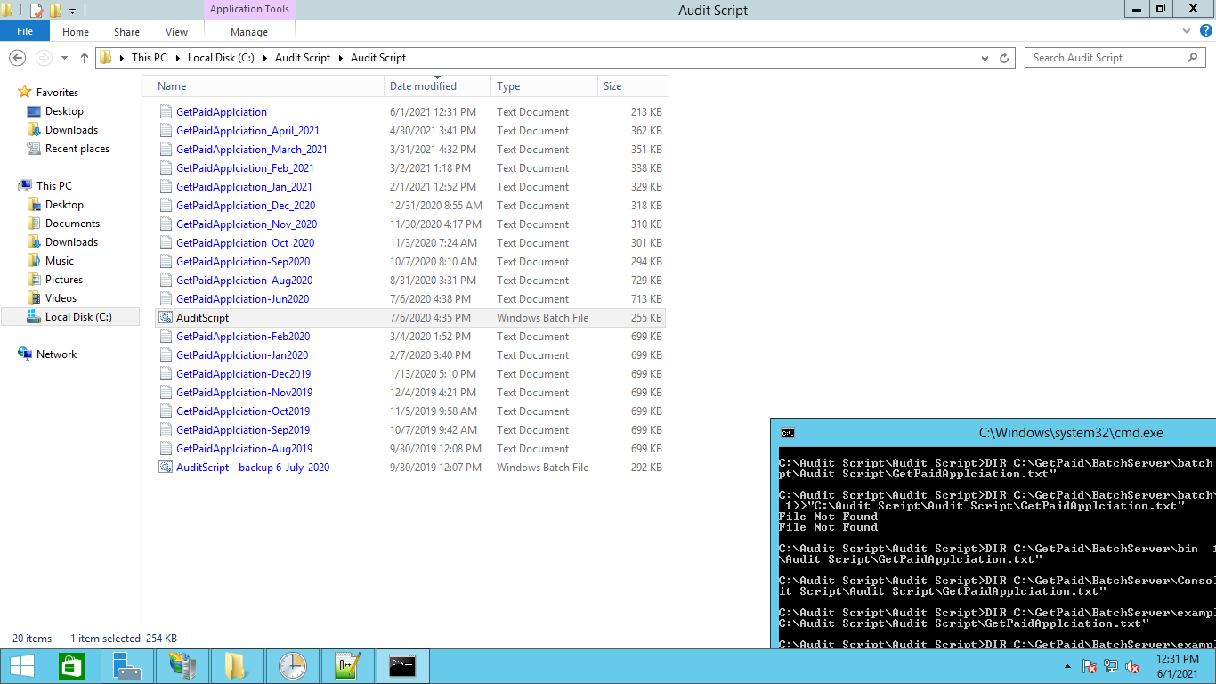

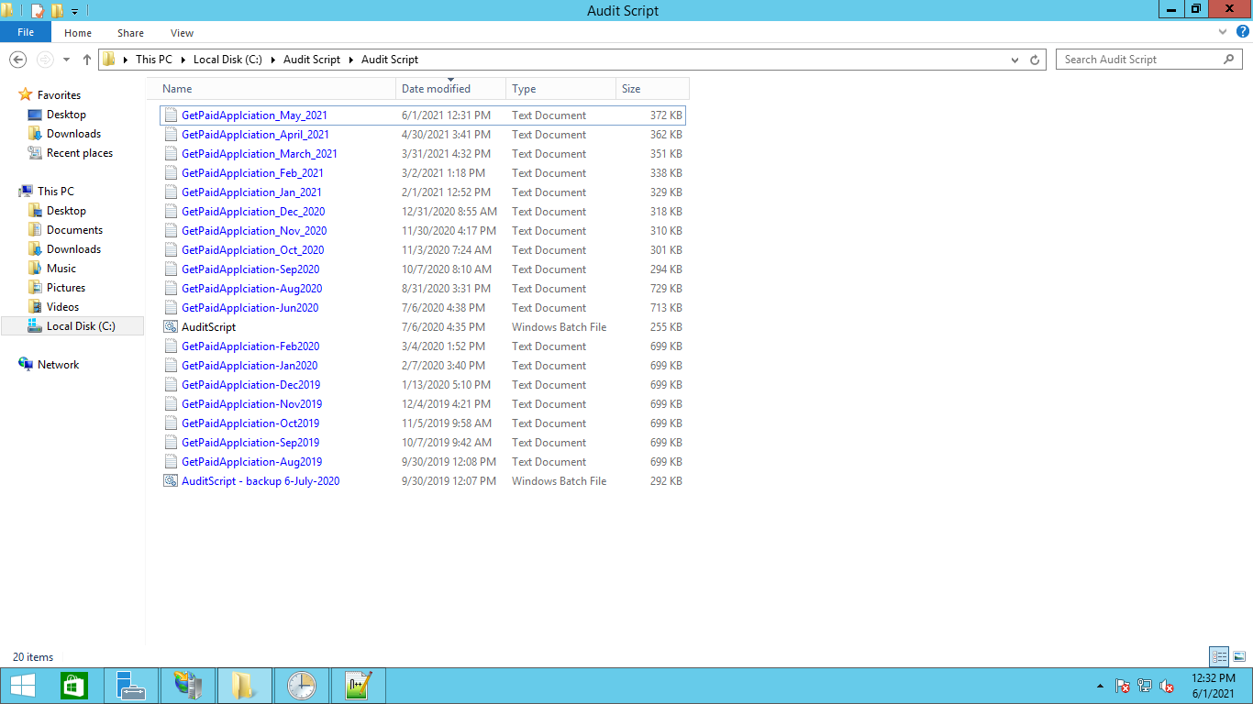

Would like to obtain October 2021

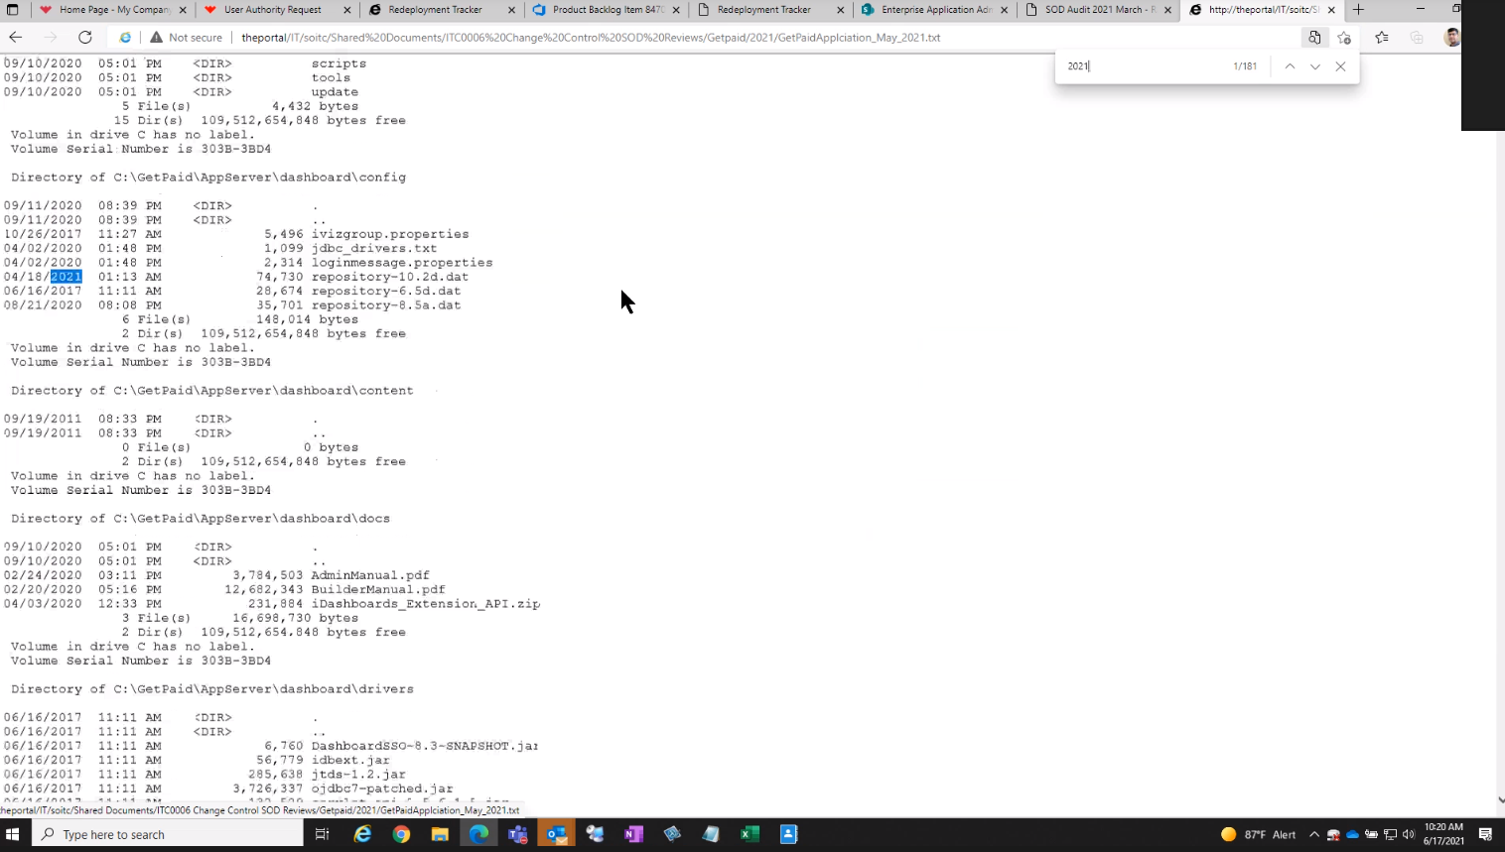

Control F for 2021. For any changes in 2021 we would like to see documentation. We would also like to obtain a copy for the TXT file

